READ_ME
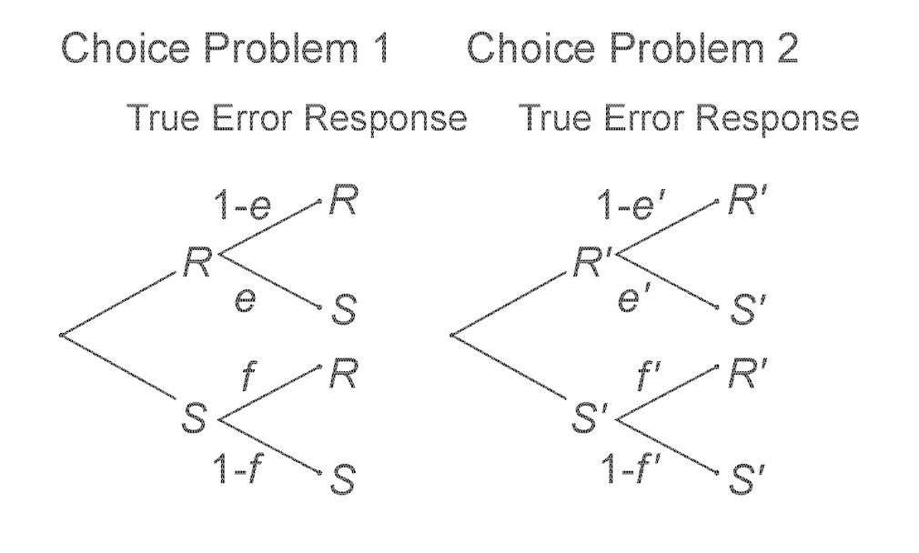
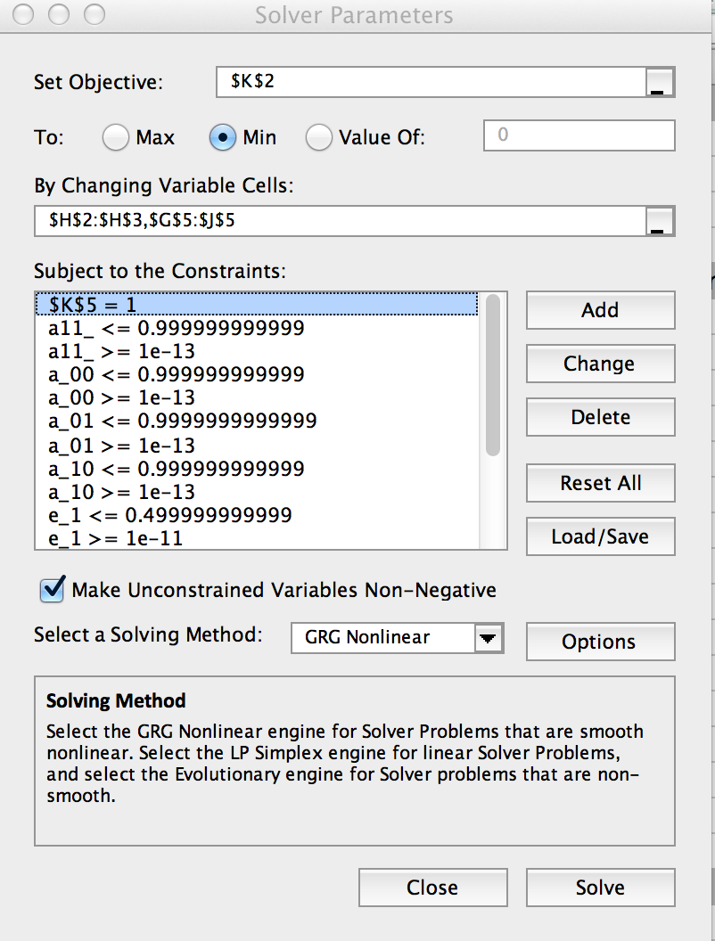
READ ME notes on how to use the spreadsheet: (Be sure to install the Solver in Excel (from Add-ins)

 | This spreadsheet is set up to fit the TE-4 Model. It can also be used to fit TE-2, TE-1, or any other special case of TE-4, including TE-4 plus EU, for example

 | Two Choice problems with two replicates each. |  |  | Choice 1 is between S and R; Choice 2 is between S' and R'
 |  |  |  | Response of 0 indicates choice of the S or S' gamble; Response coded 1 indicates choice of R or R'
 | Enter data in F7:F22 (colored green) |  |  | Order of Cells:RR'RR', RR'RS', … SS'SS'

 | Parameters representing the Error terms are in H2:H3 and in J2:J3 (colored yellow)

 |  | To constrain the errors, for TE-2, type "=H2" in cell J2, and type "=H3" in cell J3. Then allow H2 and H3 to vary in the Solver, but leave J2 and J3 out of the solver.

 | Parameters representing the "True" probabilities are in G5:J5. (also colored in yellow) |  |  |  | a00 = probability of RR', a01 = probability of RS', a10 = probability of SR', a11 = prob of SS'

 |  | To fit the EU model, type ".000000001" in cells H5 and I5, and do not include them as free in the solver. (they are not listed as changing variable cells.)

 | Use the solver (be sure it is installed) to minimize cell K2 (colored pink and currently set up to minimize Chi-Square of fit of TE model)
 |  |  | An example of the Solver parameters is shown in the figure below (TE-2). Note that the parameters, a, are constrained to be between 0 and 1; the parameters of e and f are constrained to be between 0 and 0.5.
 |  |  | The sum of the a parameters is in K5, and this sum must be constrained to be 1.
 | Other analyses are available and possible with the sheet. |  |  | For example, the G index is also calculated, and could be minimized instead of Chi-Square. Cell M23

 | A standard Chi-Square test of response independence is in Cell AQ25

 |  | Response independence is not implied by the TE mdoels but is implied by certain random utility or random preference models

 | Diagram of the 4 error model
 | Choice between S and R |  |  | Choice between S' and R'
 |  |  |  |  |  | (The roles of e and f are reversed in the Excel sheet compared to this figure)

